LIS 2012-2015
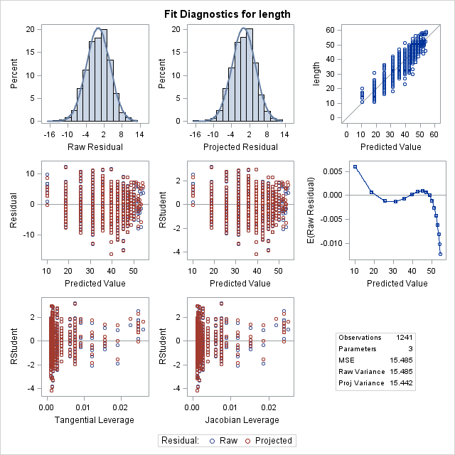
von Bert modeling of growth
LIS, 2012-2015

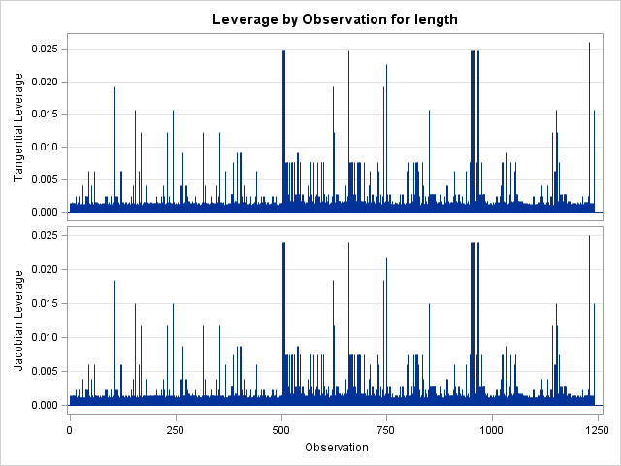
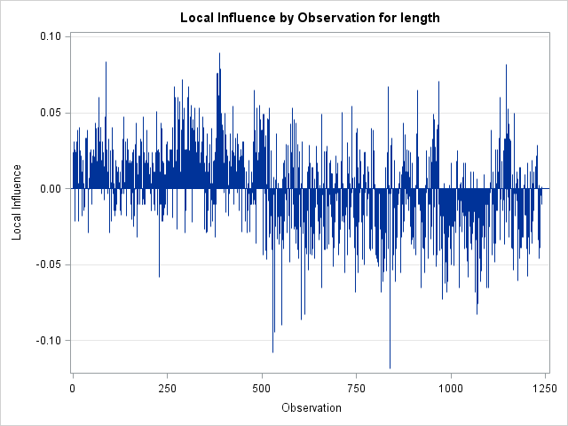
The NLIN Procedure
Dependent Variable length
Method: Gauss-Newton

Iterative Phase
Iter | Linf | k | t0 | Sum of Squares
0 | 59 | 0.171 | 0 | 21781.5
1 | 55.4264 | 0.2016 | 0.00665 | 19514.6
2 | 56.1086 | 0.2024 | 0.0117 | 19170.4
3 | 56.1123 | 0.2024 | 0.0113 | 19170.4

NOTE: Convergence criterion met.

Estimation Summary
Method | Gauss-Newton
Iterations | 3
R | 6.81E-06
PPC(t0) | 0.001705
RPC(t0) | 0.033325
Object | 3.40E-08
Objective | 19170.37
Observations Read | 1241
Observations Used | 1241
Observations Missing | 0

Note: | An intercept was not specified for this model.

Source | DF | Sum of Squares | Mean Square | F Value | Approx
 |  |  |  |  | Pr > F
Model | 3 | 1882339 | 627446 | 40519.7 | <.0001
Error | 1238 | 19170.4 | 15.4849
Uncorrected Total | 1241 | 1901509

Parameter | Estimate | Approx | Approximate 95% Confidence
 |  | Std Error | Limits
Linf | 56.1123 | 0.9193 | 54.3087 | 57.916
k | 0.2024 | 0.00964 | 0.1835 | 0.2213
t0 | 0.0113 | 0.0935 | -0.172 | 0.1947

Approximate Correlation Matrix
 | Linf | k | t0
Linf | 1 | -0.955724 | -0.7083735
k | -0.955724 | 1 | 0.865261
t0 | -0.7083735 | 0.865261 | 1

CT 2012
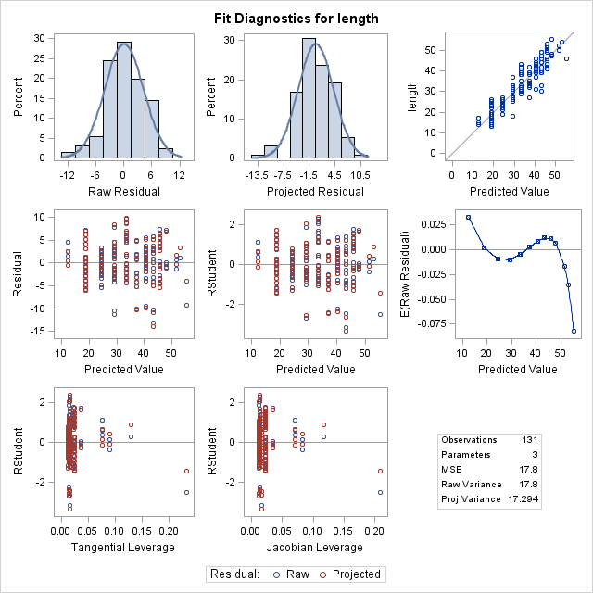
von Bert modeling of growth
CT, 2012

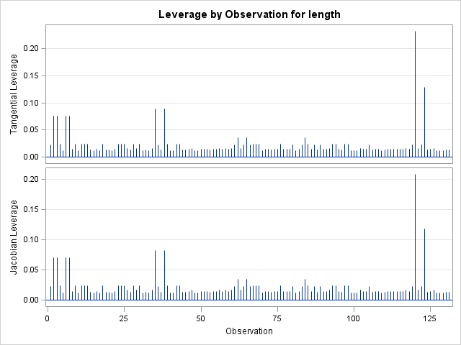
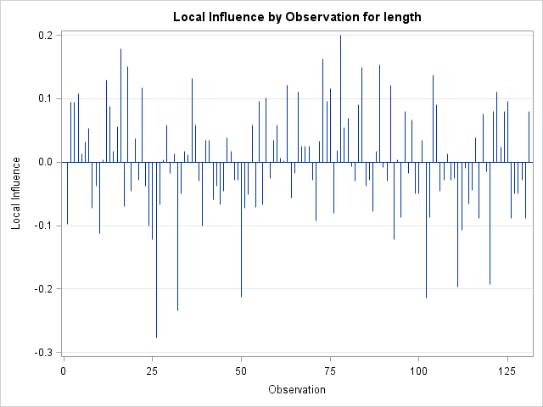
The NLIN Procedure
Dependent Variable length
Method: Gauss-Newton

Iterative Phase
Iter | Linf | k | t0 | Sum of Squares
0 | 59 | 0.171 | 0 | 2432.3
1 | 62.4952 | 0.1308 | -0.5779 | 2414.4
2 | 62.8455 | 0.1345 | -0.6467 | 2278.5
3 | 62.976 | 0.134 | -0.6505 | 2278.5
4 | 62.9598 | 0.1341 | -0.6496 | 2278.5
5 | 62.9623 | 0.1341 | -0.6497 | 2278.5

NOTE: Convergence criterion met.

Estimation Summary
Method | Gauss-Newton
Iterations | 5
R | 6.02E-06
PPC(t0) | 0.00003
RPC(t0) | 0.000207
Object | 1.42E-09
Objective | 2278.45
Observations Read | 131
Observations Used | 131
Observations Missing | 0

Source | DF | Sum of Squares | Mean Square | F Value | Approx
 |  |  |  |  | Pr > F
Model | 2 | 14179.6 | 7089.8 | 398.29 | <.0001
Error | 128 | 2278.5 | 17.8004
Corrected Total | 130 | 16458

Parameter | Estimate | Approx | Approximate 95% Confidence
 |  | Std Error | Limits
Linf | 62.9623 | 5.4528 | 52.1729 | 73.7516
k | 0.1341 | 0.0261 | 0.0825 | 0.1856
t0 | -0.6497 | 0.3233 | -1.2894 | -0.01

Approximate Correlation Matrix
 | Linf | k | t0
Linf | 1 | -0.9773809 | -0.8039747
k | -0.9773809 | 1 | 0.898757
t0 | -0.8039747 | 0.898757 | 1

plot expected length
